Error
 |  | Facebook

 |  | Twitter

 |  | amazonaws.com

 |  | https://www.amazon.co.uk/

 |  | bing.com

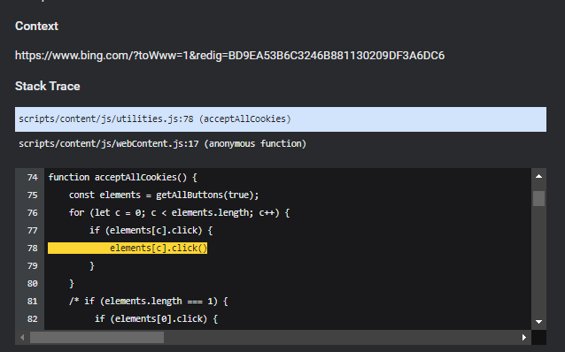

 |  | Dell.com

 |  | doubleclick.net

tumblr.com

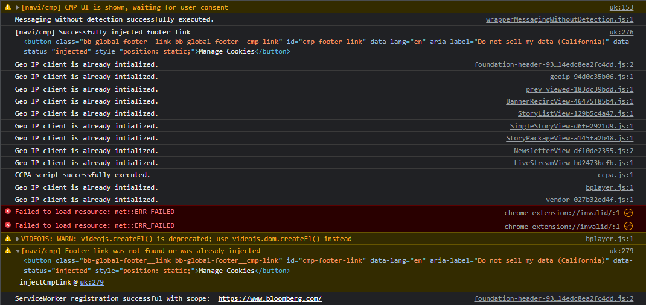

 | bloomberg.com

